2. Population flow
Customers - original data
Total: 206,209
Customers - after consistency checks
Total: 206,209
Population Flow
Orders data
Total: 3,421,083
After consistency checks
Wrangled Orders data
Total: 3,421,083
Products.csv original data
Total: 49,693
after consistency checks
Wrangled Product data
Orders.csv original data
Total: 3,421,083

Orders.csv after consistency checks
Total: 3,421,083

 | Total:
 | 49.693

Orders_products_merged
Orders_products_combined
Final merged data
Total: 32,404,859

Total: 32,434,489
Total: 32,404,870

6. Visualizations
 | Visualizations

Question 1. | The sales team needs to know what the busiest days of the week and hours of the day are (i.e., the days and times with the most orders) in order to schedule ads at times when there are fewer orders.

 | 0.0 to 6.0 represents the days of the week. | 0.0 to 23.0 represents the hours of the day
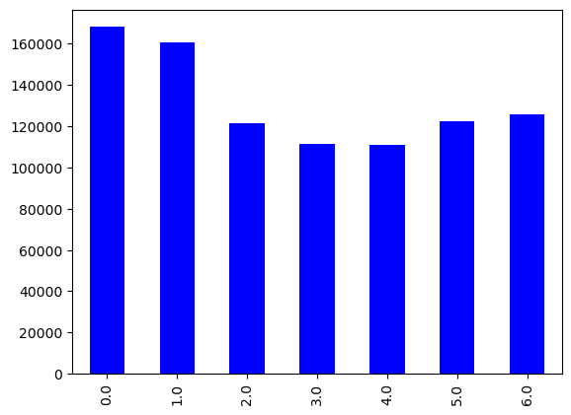
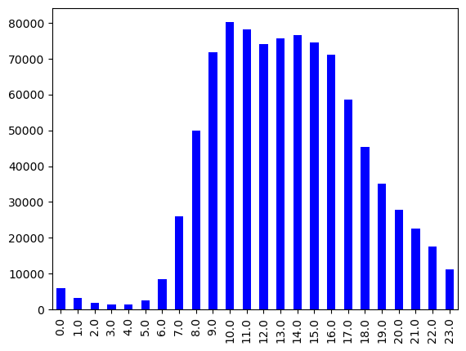
 | 6.0: Sunday
 | 0.0 - Saturday
 | 1.0 - Monday
 | 2.1 - Tuesday
 | 3.0 - Wednesday
 | 4.0 - Thursday
 | 5.0 - Friday

 | Answer | Answer
 | Saturday is the busiest day of the week while Wednesday is the least busy day. | 10 am is the busiest hour of the day while from 1 am to 5 am is the least busy hour of the day.

Question 2. | They also want to know whether there are particular times of the day when people spend the most money, as this might inform the type of products they advertise at these times.

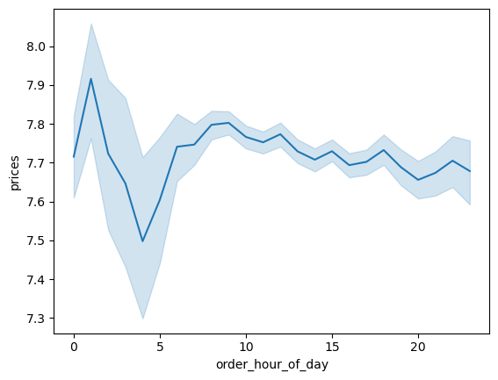

 |  | Answer
 |  | The analysis shows that customers buy expensive items at odd hours of the day.
 |  | The purchase reduces at 5 am and increases again from 10 am to 12 noon.

Question 3. | Instacart has a lot of products with different price tags. Marketing and sales want to use simpler price range groupings to help direct their efforts.

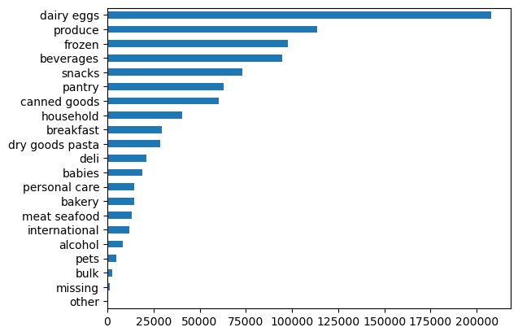
 |  | Column1 | Column2 | Column3 | Column4
 |  | Department | High-range product | Low-range product | Mid-range product
 |  | alcohol | 0 | 6336 | 1840
 |  | babies | 0 | 2393 | 16343
 |  | bakery | 0 | 2332 | 12246
 |  | beverages | 0 | 15452 | 79047
 |  | breakfast | 0 | 5923 | 23808
 |  | bulk | 0 | 0 | 2489
 |  | canned goods | 0 | 27327 | 33106
 |  | dairy eggs | 0 | 55555 | 152444
 |  | deli | 0 | 6277 | 14983
 |  | dry goods pasta | 0 | 15071 | 13545
 |  | frozen | 0 | 50485 | 47445
 |  | household | 0 | 7741 | 32747
 |  | international | 0 | 5521 | 6442
 |  | meat seafood | 131 | 0 | 13305
 |  | missing | 0 | 69 | 1057
 |  | other | 0 | 29 | 628
 |  | pantry | 0 | 10192 | 52972
 |  | personal care | 0 | 2365 | 12215
 |  | pets | 0 | 1679 | 3248
 |  | produce | 0 | 46897 | 66517
 |  | snacks | 0 | 49377 | 23691

 |  | Answer
 |  | Meat seafood products falls under the high price range products, and dairy eggs fall under the simpler price range products.

Question 4. | Are there certain types of products that are more popular than others? The marketing and sales teams want to know which departments have the highest frequency of product orders

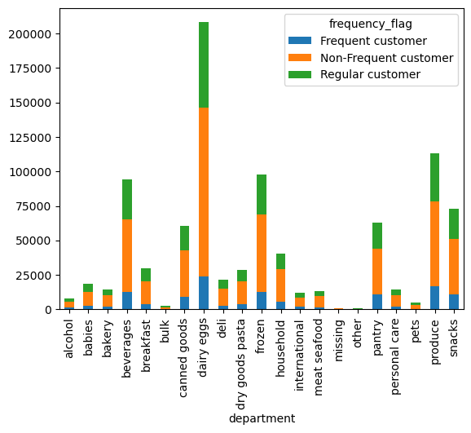
 |  | Column1 | Column2
 |  | Reordered

 |  | Department | Average
 |  | alcohol | 0.591732
 |  | babies | 0.610376
 |  | bakery | 0.673275
 |  | beverages | 0.707912
 |  | breakfast | 0.579261
 |  | bulk | 0.430695
 |  | canned goods | 0.495756
 |  | dairy eggs | 0.724403
 |  | deli | 0.616792
 |  | dry goods pasta | 0.466942
 |  | frozen | 0.567722
 |  | household | 0.417778
 |  | international | 0.329934
 |  | meat seafood | 0.532450
 |  | missing | 0.392540
 |  | other | 0.336377
 |  | pantry | 0.361630
 |  | personal care | 0.350617
 |  | pets | 0.639131
 |  | produce | 0.598127
 |  | snacks | 0.572111

 |  | Answer
 |  | Dairy eggs are the most popular products and are mostly reordered.

Question 5. | The marketing and sales teams are particularly interested in the different types of customers in their system and how their ordering behaviors differ. For example:
 | What’s the distribution among users in regards to their brand loyalty (i.e., how often do they return to Instacart)?

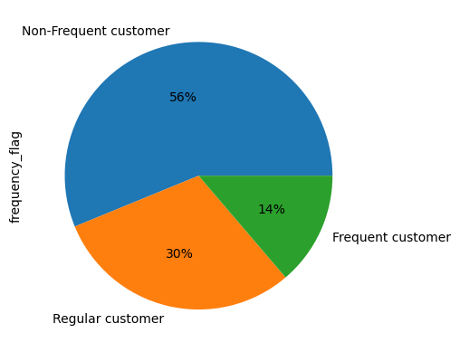
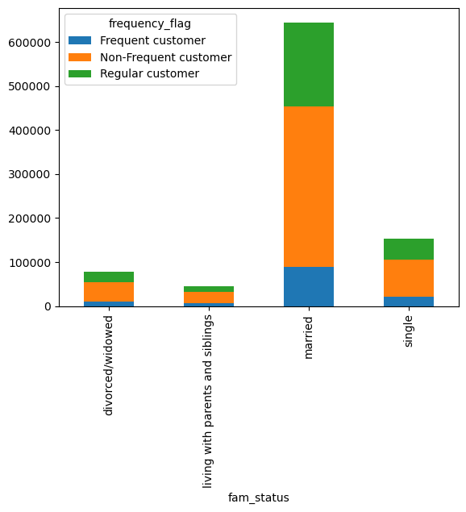

 |  | Answer
 |  | Out of 100% percent of Instacart customers, only 14% are frequent customers.
 |  | The other percent are non-frequent customers. Married customers account for the most order at instacart.

Question 6. | Are there differences in ordering habits based on a customer’s loyalty status?

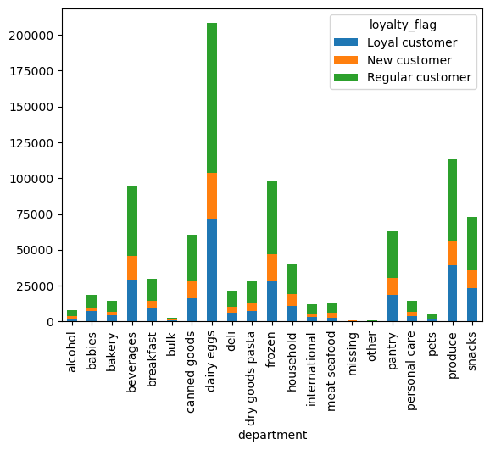
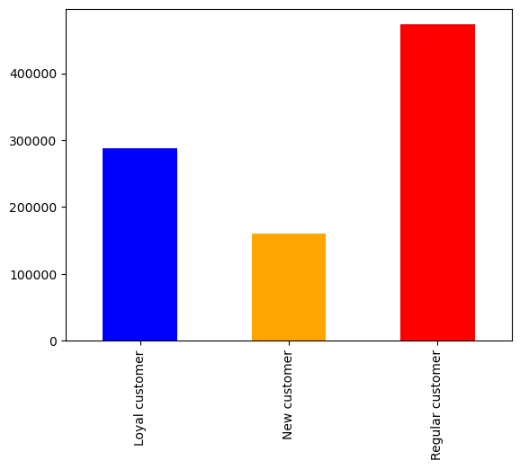

 | Column1 | Column2 | Column3 | Column4
 | income_group | Frequent customer | Non-Frequent customer | Regular customer
 | high income | 15552 | 66831 | 36028
 | low income | 7425 | 27732 | 15790
 | middle income | 103635 | 423182 | 225078

 |  | Answer
 |  | Loyal customers tend to order dairy/egg and produce products more than regular and new customers.
 |  | Regular customers shop for every Instacart product more than loyal and new customers.
 |  | Instacart customers purchase more of beverages, canned goods, dairy/egg, frozen, pantry, produce, and snacks product.
 |  | It appears that middle-income customers shop at Instacart more than high-income and low-income customers.

Question 7. | Are there differences in ordering habits based on a customer’s region?

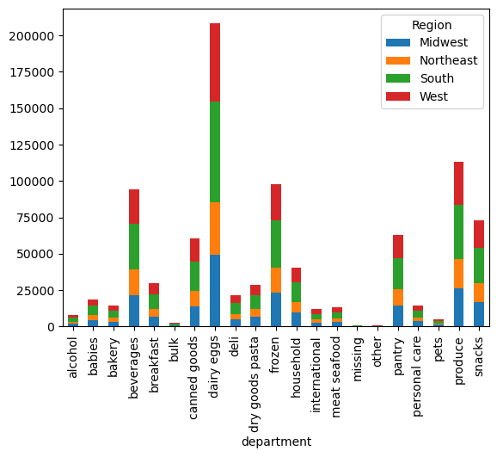
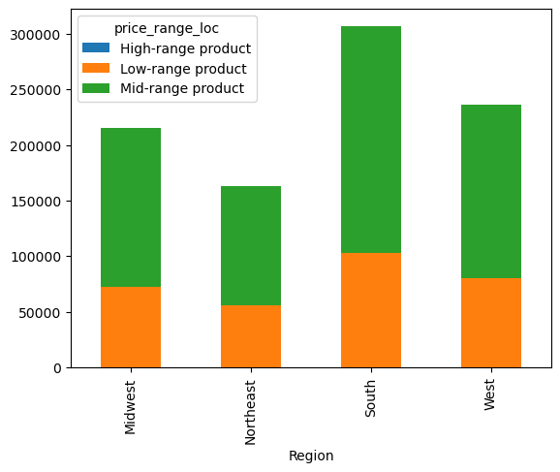

 |  | Answer
 |  | It appears that all four regions shop more for dairy eggs products.
 |  | The Southern region order more low-price range and mid-price range products, followed by the Western region.
 |  | The high price range products are less ordered by all four regions.

Question 8. | Is there a connection between age and family status in terms of ordering habits?

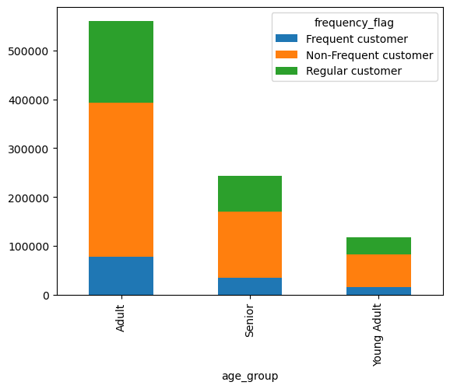

 |  | Answer
 |  | Adults and married customers account for most Instacart orders. The connection here is that married people
 |  | are mostly adults and they mostly shop for more than one person.
 |  | Young adults and people living with parents are siblings accounts for the lowest Instacart orders. The connection
 |  | here is that people living with parents and siblings are mostly young adults and they likely shop for only them selves alone.

Question 9. | What different classifications does the demographic information suggest? Age? Income? Certain types of goods? Family status?

 | Column1 | Column2 | Column3 | Column4 | Column5
 | income_group | Midwest | Northeast | South | West
 | high income | 27950 | 20290 | 39414 | 30757
 | low income | 11314 | 8968 | 17505 | 13160
 | middle income | 176312 | 133733 | 249863 | 191987

 | The South has the customers with the highest income.

 | Column1 | Column2 | Column3 | Column4 | Column5
 | age_group | Midwest | Northeast | South | West
 | Adult | 131341 | 98777 | 186758 | 143867
 | Senior | 56536 | 43946 | 80769 | 62421
 | Young Adult | 27711 | 20268 | 39260 | 29616

 | The South has the highest population of instacart customers.

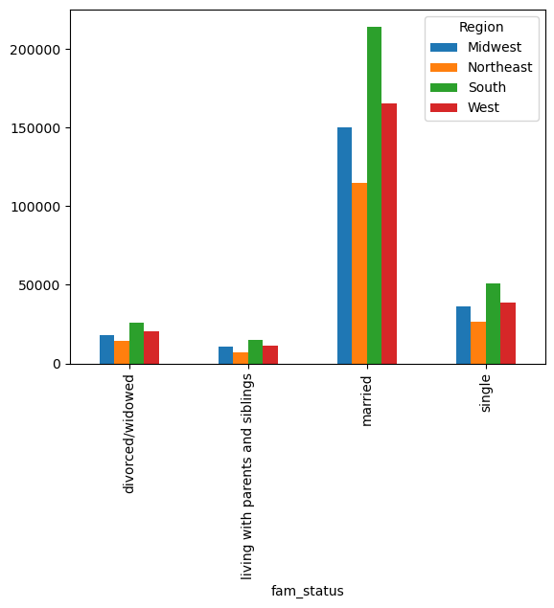
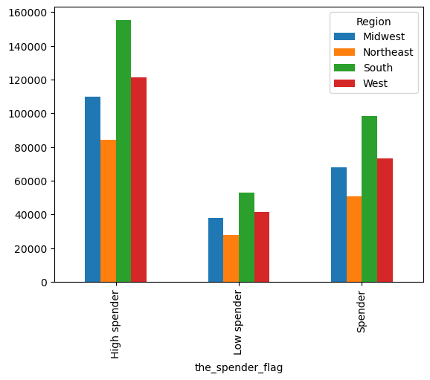

 |  | Customers from the South have the highest spenders.

 |  | Answer
 |  | This analysis tells me The South is Instacart's highest revenue-generating region mainly because
 | Instacart Southern customers are mostly married people who tend to shop more | the South has the highest number of instacart customers compared to the other regions.
 | than single people.

